Overview
Notes for the Immunisation Coordinators
This is the template for reporting of clinical and non-clinical programmatic adverse events that occur during the COVID-19 immunisation programme.
Each Board immunisation coordinator (or deputy) should complete the DATA tab with details of adverse events that have occurred since the last report was sent. Table 1 describes what information is needed for each data item on the DATA tab.
Please complete one row per clinic reporting adverse events. Each row has space to record up to 3 types of adverse event happening at a clinic.
Please save the template using the following naming convention with current date and Health Board name: e.g. 'AE_15122020_FIFE'
This should be sent to PHS by COP every Monday once the immunisation programme is established in the Board. The first return should be by COP Monday 14th December. This should include adverse events that occurred during the previous week. e.g. Adverse events occurring during week (Monday to Sunday) 7th to 13th December should be reported on spreadsheet returned to PHS by COP on Monday 14th December. If there are no adverse events during that week, please send a nil-return email to the mailbox by COP every Monday.
Please email weekly templates to phs.immunisation@phs.scot and flag these as ‘AE template’ in the email subject heading.
Please refer to the Immunisation Coordinator Protocol and Framework documents for additional information. Please also see ALGORITHM tab.
Rapid escalation - Any significant events should be escalated to PHS as soon as they become apparent. These should also be recorded on the weekly template.
If there is any feedback or improvements that can be made to the reporting template, please let us know. There may be the need to send out updated versions of the template if amendments are necessary in the future.
Many thanks.
Table 1: Descriptions of data items to be reported
Number | Data item | Description
1 | ID | Unique ID number of adverse event (AE). Please assign a unique number to each row in the spreadsheet.
2 | Health Board | Health Board where AE occurred. Dropdown menu.
3 | Date of AE | Date that AE occurred. This should be in the format dd/mm/yyyy.
4 | Date of reporting to IC | Date of reporting to Immunisation coordinator. This should be in the format dd/mm/yyyy.
5 | Clinic ID | Clinic ID, if available.
6 | Clinic setting | The vaccine delivery setting or clinic where the AE occurred - Dropdown: GP surgery, Care Home, walk through clinic, drive through clinic, pharmacy etc.
7 | If clinic setting 'other', please specify | If 'other' was selected as the clinic setting from the dropdown menu in the 'clinic setting' field, please specify the setting. Free text description.
8 | AE type-1 | Detail on the Adverse event type, CAE= clinical adverse event, PAE=programmatic adverse event. If more than one clinical adverse event has occurred, please record the most severe under AE type-1. The 'description of AE' field can also be completed to give further information. Dropdown options - CAE-Difficulty breathing; CAE-Dizziness; CAE-Excessive bleeding; CAE-Fainting; CAE-Other; CAE-Rash; CAE-Seizure; CAE-Shortness of breath / breathing problems; CAE-Sudden elevated temperature; CAE-Swelling of tongue or throat; PAE-Other events or issues; PAE-vaccination technique issues; PAE-vaccinator issues; PAE-vaccine issues; PAE-venue setting or delivery model issues.
9 | Description of AE1 | Free text for description and further details of adverse event. If 'CAE-other' or 'PAE-other' is recorded under AE type, please give details.
10 | If AE1 clinical, was if at POV? | If the adverse event was clinical, did it occur at the point of vaccination or immediately after (i.e. in the time before the vaccinee had left the vaccine clinic)? - Dropdown: Yes/No/Don't know.
11 | AE1 Vaccine type, if relevant | If relevant, please record the vaccine type that was involved in the adverse event. Dropdown: Pfizer or AstraZeneca. Note that if an issue with the venue or delivery setting, it may not be relevant to record vaccine type.
12 | AE1 involving vaccinee or clinic staff | Did the AE involve the vaccinee or clinic staff - Dropdown: Vaccinee, clinic staff, both, neither (neither if e.g. an issue with the venue).
13 | AE1 Number of individuals involved | How many individuals were affected by the AE (e.g. total number of staff plus vaccinees).
14 | AE1 Escalated to PHS | Was the AE was escalated to PHS (and therefore considered significant)? - Dropdown: Yes/No/Don't know.
15 | AE1 Date of escalation to PHS | Record the date that the Adverse event was escalated to PHS. This should be in the format dd/mm/yyyy.
16 | AE1 Action taken | Free text description of any action taken, if needed. This is particularly important if the event was significant.
17 | AE type-2 | Detail on the Adverse event type, CAE= clinical adverse event, PAE=programmatic adverse event. If more than one clinical adverse event has occurred, please record the most severe under AE type-2. The 'description of AE' field can also be completed to give further information. Dropdown options - CAE-Difficulty breathing; CAE-Dizziness; CAE-Excessive bleeding; CAE-Fainting; CAE-Other; CAE-Rash; CAE-Seizure; CAE-Shortness of breath / breathing problems; CAE-Sudden elevated temperature; CAE-Swelling of tongue or throat; PAE-Other events or issues; PAE-vaccination technique issues; PAE-vaccinator issues; PAE-vaccine issues; PAE-venue setting or delivery model issues.
18 | Description of AE2 | Free text for description and further details of adverse event. If 'CAE-other' or 'PAE-other' is recorded under AE type, please give details.
19 | If AE2 clinical, was if at POV? | If the adverse event was clinical, did it occur at the point of vaccination or immediately after (i.e. in the time before the vaccinee had left the vaccine clinic)? - Dropdown: Yes/No/Don't know.
20 | AE2 Vaccine type, if relevant | If relevant, please record the vaccine type that was involved in the adverse event. Dropdown: Pfizer or AstraZeneca. Note that if an issue with the venue or delivery setting, it may not be relevant to record vaccine type.
21 | AE2 involving vaccinee or clinic staff | Did the AE involve the vaccinee or clinic staff - Dropdown: Vaccinee, clinic staff, both, neither (neither if e.g. an issue with the venue).
22 | AE2 Number of individuals involved | How many individuals were affected by the AE (e.g. total number of staff plus vaccinees).
23 | AE2 Escalated to PHS | Was the AE was escalated to PHS (and therefore considered significant)? - Dropdown: Yes/No/Don't know.
24 | AE2 Date of escalation to PHS | Record the date that the Adverse event was escalated to PHS. This should be in the format dd/mm/yyyy.
25 | AE2 Action taken | Free text description of any action taken, if needed. This is particularly important if the event was significant.
26 | AE type-3 | Detail on the Adverse event type, CAE= clinical adverse event, PAE=programmatic adverse event. If more than one clinical adverse event has occurred, please record the most severe under AE type-2. The 'description of AE' field can also be completed to give further information. Dropdown options - CAE-Difficulty breathing; CAE-Dizziness; CAE-Excessive bleeding; CAE-Fainting; CAE-Other; CAE-Rash; CAE-Seizure; CAE-Shortness of breath / breathing problems; CAE-Sudden elevated temperature; CAE-Swelling of tongue or throat; PAE-Other events or issues; PAE-vaccination technique issues; PAE-vaccinator issues; PAE-vaccine issues; PAE-venue setting or delivery model issues.
27 | Description of AE3 | Free text for description and further details of adverse event. If 'CAE-other' or 'PAE-other' is recorded under AE type, please give details.
28 | If AE3 clinical, was if at POV? | If the adverse event was clinical, did it occur at the point of vaccination or immediately after (i.e. in the time before the vaccinee had left the vaccine clinic)? - Dropdown: Yes/No/Don't know.
29 | AE3 Vaccine type, if relevant | If relevant, please record the vaccine type that was involved in the adverse event. Dropdown: Pfizer or AstraZeneca. Note that if an issue with the venue or delivery setting, it may not be relevant to record vaccine type.
30 | AE3 involving vaccinee or clinic staff | Did the AE involve the vaccinee or clinic staff - Dropdown: Vaccinee, clinic staff, both, neither (neither if e.g. an issue with the venue).
31 | AE3 Number of individuals involved | How many individuals were affected by the AE (e.g. total number of staff plus vaccinees).
32 | AE3 Escalated to PHS | Was the AE was escalated to PHS (and therefore considered significant)? - Dropdown: Yes/No/Don't know.
33 | AE3 Date of escalation to PHS | Record the date that the Adverse event was escalated to PHS. This should be in the format dd/mm/yyyy.
34 | AE3 Action taken | Free text description of any action taken, if needed. This is particularly important if the event was significant.
35 | Total individuals with clinical AEs in reporting period | The total number of individuals for whom a clinical adverse event is documented in this report for the reporting period. If a person has two adverse events (for instance swelling and fainting), and each of these events is included in the report, then this person is counted once in this column.
36 | Total individuals with programmatic AEs in reporting period | The total number of individuals for whom a programmatic adverse event is documented in this report for the reporting period. If a person has two adverse events (for instance swelling and fainting), and each of these events is included in the report, then this person is counted once in this column.

Algorithm
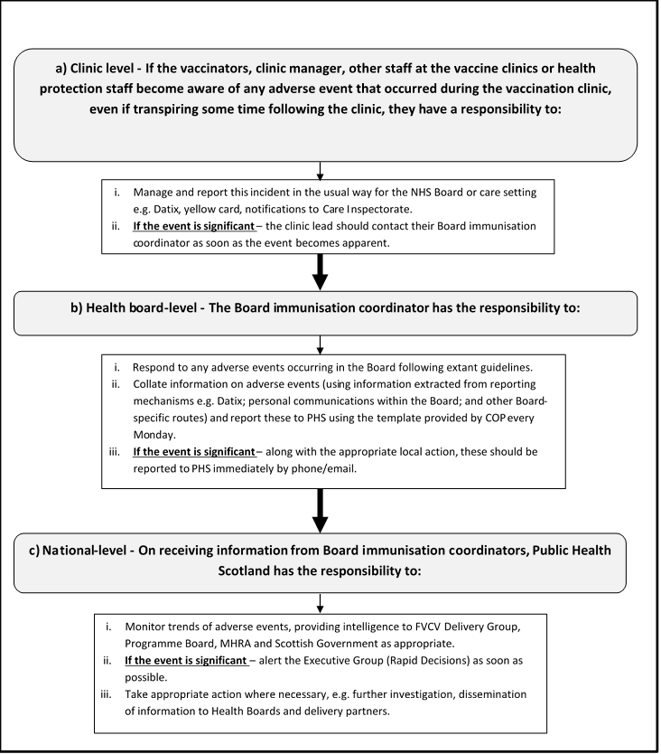
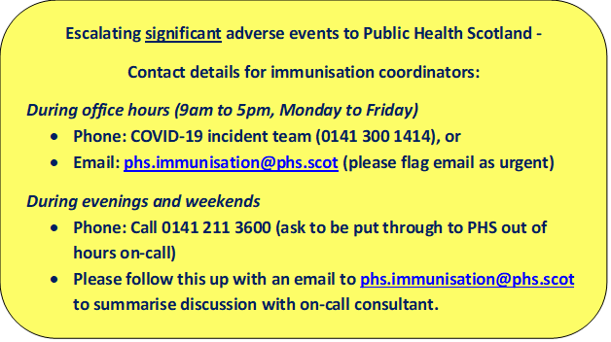
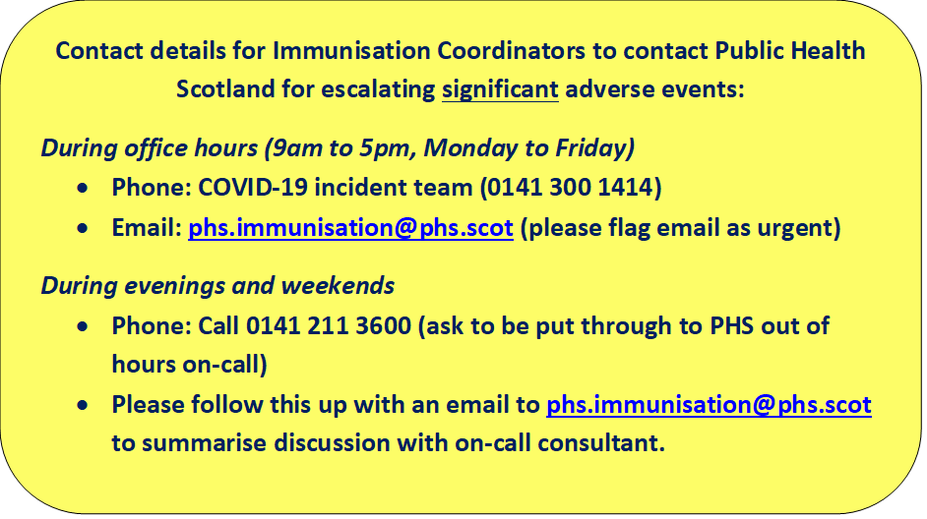
Algorithm of operational procedures

Please see Framework and protocol for more detail

